Blad1
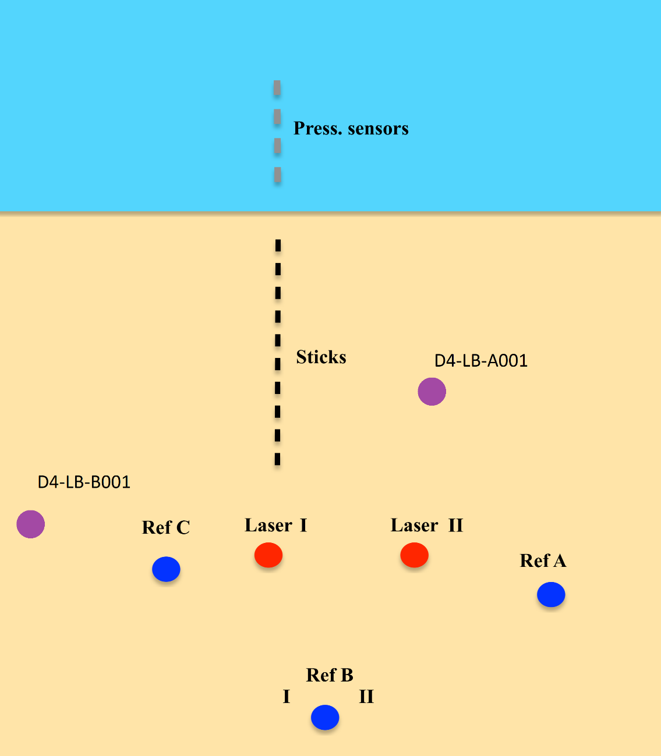
GPS Metadata
Day 4 | Z

D4-LB-A001 | 18.2
D4-LB-BI001 | 49
D4-LB-BII001 | 13.8
D4-LB-C001 | 14.5
D4-LB-MF-AA001 | 44.2
D4-LB-MF-B001 | 14

